Graphical sample
This is a sample from CS33.2
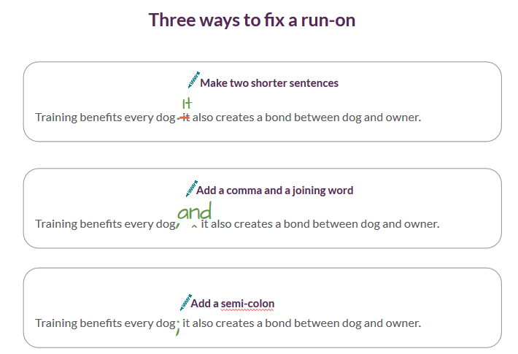

 | We also have a callout style, and a style for circling text.

